Script
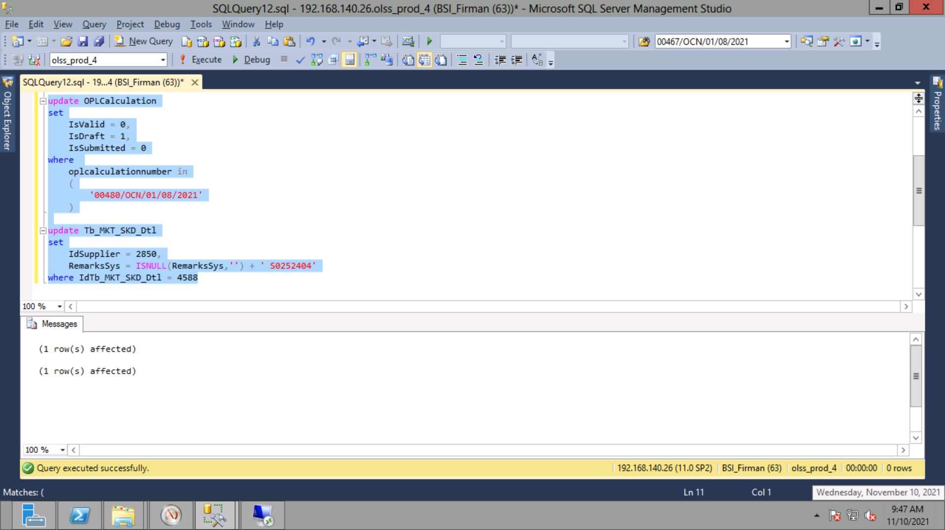
update OPLCalculation
set
 | IsValid = 0,
 | IsDraft = 1,
 | IsSubmitted = 0
where
 | oplcalculationnumber in
 | (
 |  | '00480/OCN/01/08/2021'
 | )

update Tb_MKT_SKD_Dtl
set
 | IdSupplier = 2850,
 | RemarksSys = ISNULL(RemarksSys,'') + ' S0252404'
where IdTb_MKT_SKD_Dtl = 4588

Screenshot
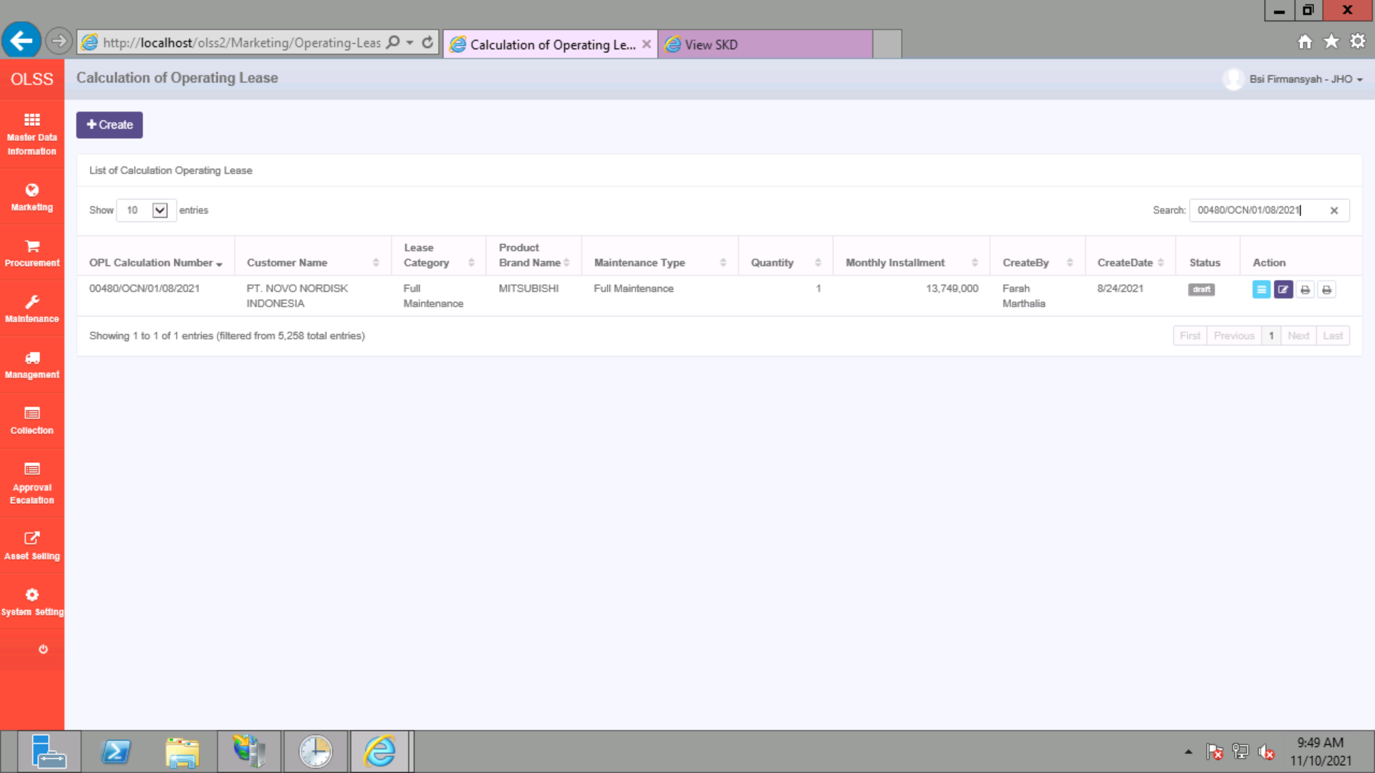
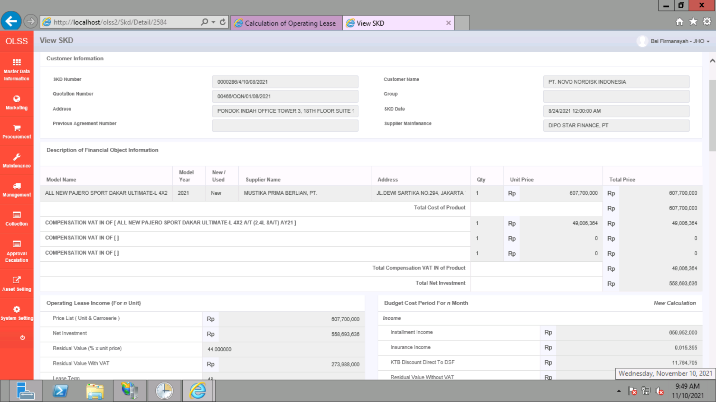
BEFORE
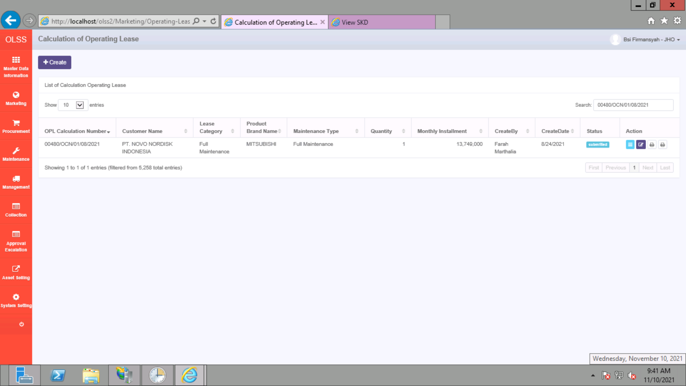
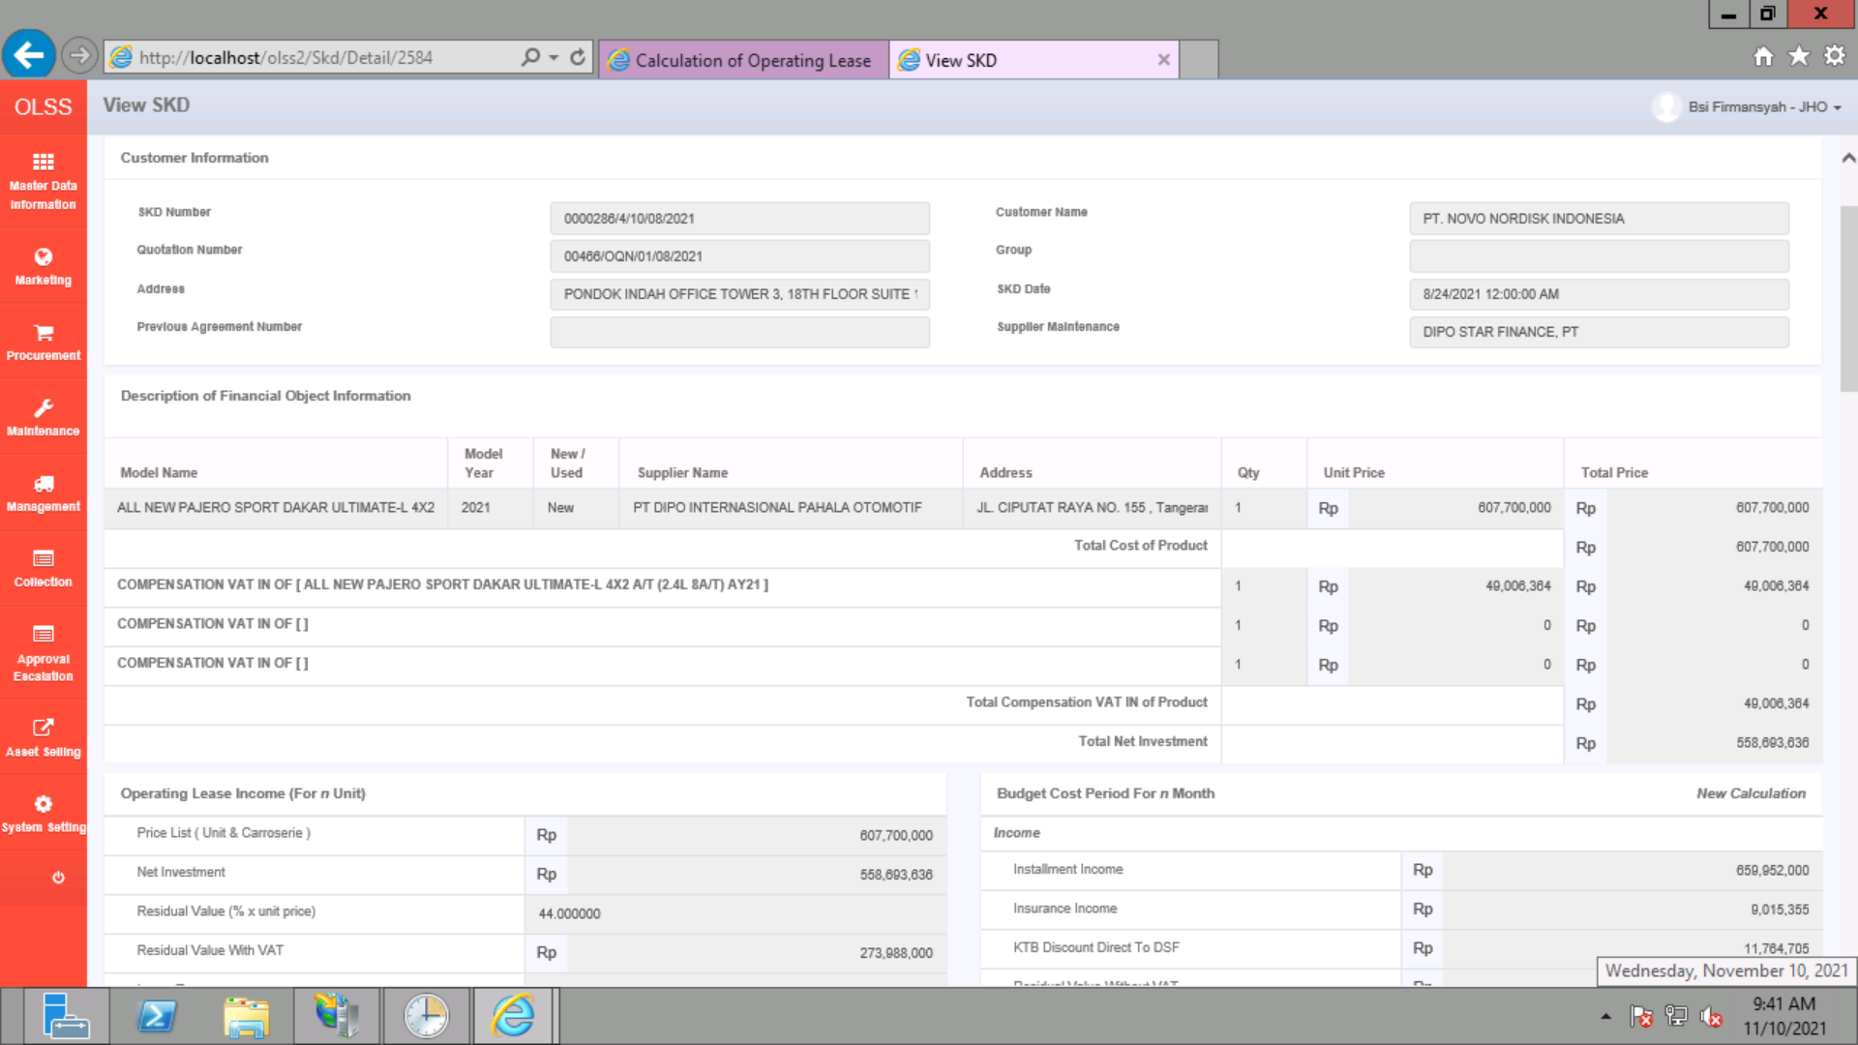

AFTER

